Tabelle1
Series/Epoch | Stage/Age | Depositional Environment | Subenvironment/Facies | Depositional Code | Description | Processes | RGB color code
HOLOCENE | not defined | subtidal | lower shoreface | ho_00_su_ls | Sorted to well-sorted fine to very fine sand, partly overlain by moderately sorted medium- to coarse sand. Ripples and small dune cross-bedding (swaley and hummocky cross-stratifications) are present. Layers of shells and shell debris are common. | Shoreface-connected ridges and troughs system, generated and maintained by ebb-surge currents in the wake of storms. The deeper part of the lower shoreface deposits is strongly bioturbated. | 54, 93, 156
 |  |  | upper shoreface | ho_00_su_us | Well sorted fine sand. Horizontal to low-angle lamination or wavy stratification. Shell debris and shells are rare. | Oblique-barred (saw-tooth bar zone). Transition to the lower shoreface between 8-10 m water depth. Wave-induced upper-plane-bed depositional regime.
 |  |  | 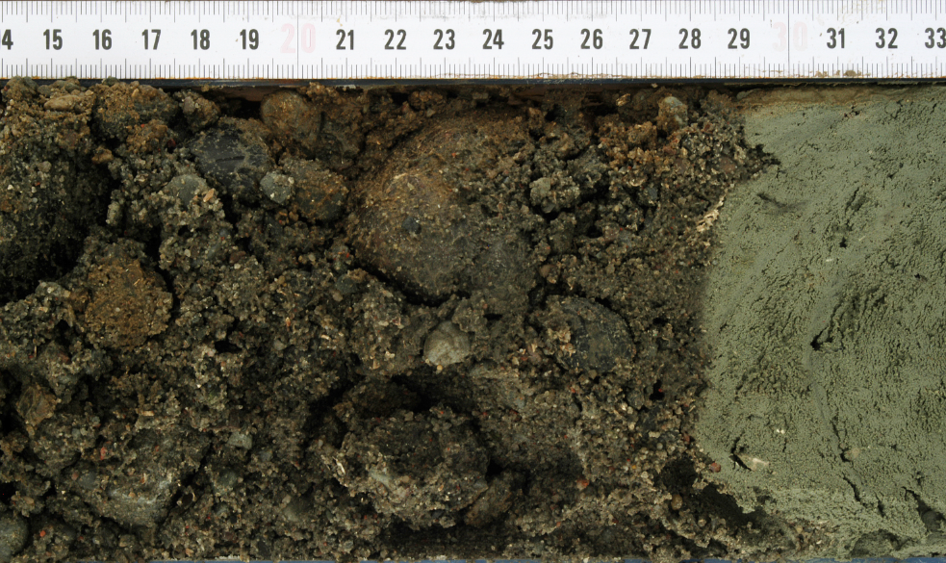 channel lag | ho_00_su_cl | Unsorted, sometimes chaotic material, made by shell lag deposits, gravel or semi-consolidated mud/peat pebbles in a matrix of medium to coarse sand. Often in erosional contact with the underlying deposits. | Lateral migration of channels produces erosion, collapse of semiconsolidated deposits from the steep outer bank and following deposition of shell lags, gravel or mud/peat pebbles. It indicates a high-energy environment and related bedload transport. | 85, 142, 213
 |  |  | 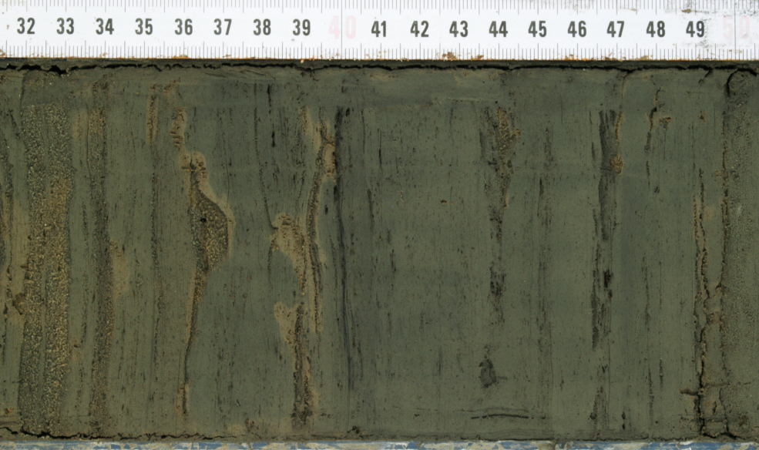 channel fill | ho_00_su_cf | Alternation of cm- to dm-thick greyish well-sorted, fine- to medium sand and mud layers with varying CaCO3 content. Sedimentary structures such as horizontal bedding or cross-bedding are rare. | Subtidal environment with varying current velocities and phases (ebb, flood, and slack-water), which lead to alternating deposition of layers with different grain sizes.
 |  | intertidal unprotected | 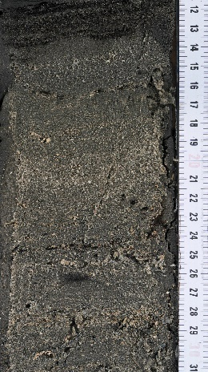 beach/foreshore | ho_00_iu_be | Well-sorted fine sand, with layers or lenses of shell debris. Seaward dipping lamination. Ripple cross-lamination can occasionally be found. Intercalated landward dipping units reflect beach-welding of onshore migrating longshore bars. | Beach and upper/inner surf zone with shore-parallel to slightly shore-oblique sand bars, which emerge during low tide (ridge & runnels). Slope varies seasonally between 0.5° in winter (dissipative) and 14° in summer (reflective). Swash & backwash. | 183, 221, 232

 |  | intertidal protected | 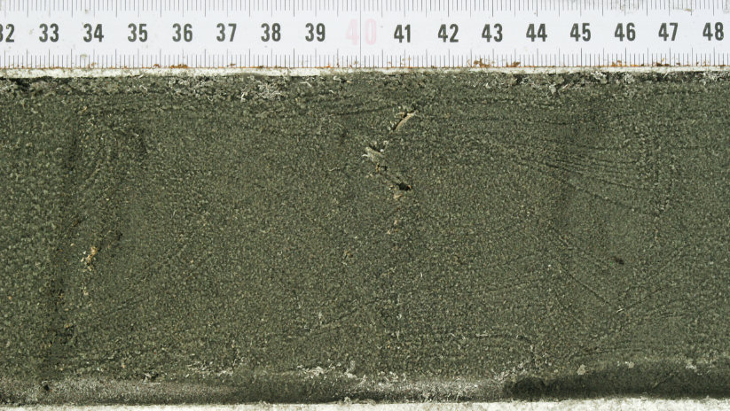 sand flat | ho_00_ip_sa | Fine sand, sorted to well sorted, sometimes well washed, with mud layers, light to dark grey or yellow. Shell or shell debris are rare. It frequently shows small-scale cross bedding, only minor bioturbation (polychaetes). | The distinction among the three tidal flat facies is sometimes hard, as it is purely based on the sand/mud radio and on the related structures. Moreover, these facies often merge into each other due to lateral facies shifts or show vertical fining upward sequences when silting-up processes take place. The lateral migration of tidal creeks is the most prominent reworking process. The uppermost intertidal (silting-up) zone is stabilised by microbial mats. | 166, 218, 152
 |  |  | 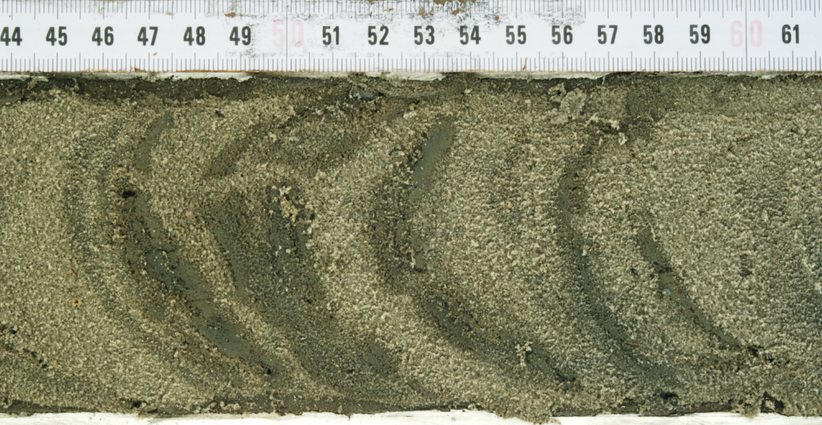 mixed flat | ho_00_ip_mi | Alternation of fine sand and mud layers, light to dark grey or brown. Shell or shell debris are from rare to common. It frequently shows flaser structures or lenticular bedding and bioturbation. Endobenthic bivalves in life position can be found.
 |  |  | mud flat | ho_00_ip_mu | Very fine, muddy sediments, light grey to dark grey, often anoxic (blackish), partly laminated (mm-cm), althought mostly without sedimentary structures. Very thin layers of fine sand occur rarely. Bioturbation is frequent but only diffusely preserved in the sedimentary fabric. Shell or shell debris rare to common. Low to moderate hydrodynamic conditions.
 |  | brackish-lagoonal | brackish-lagoonal | ho_00_bl_bl | Millimetre to sub-millimetre laminations of mud with very fine sand, graded, light to dark grey, with non-oxidized intervals. Organic material: roots and reeds, sometimes with thin layers of plant remains. | This facies develops in a subaquatic to semi-terrestrial environment of coastal lagoons and belts of reed. It is often observed in a transition zone between marine silting up zones and semi-terrestrial fen peat. | 90, 165, 134
 |  | salt marsh | 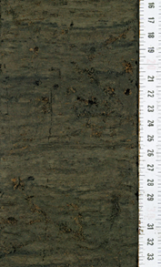 salt marsh ("Groden") | ho_00_sm_sm | Mud and fine sand, often horizontally bedded alternating with organic enriched layers. Rootlets are very common. The roots show sometimes iron oxide coatings. Layers of shell lag can be found (storm events). | Salt marsh sediments develop within the supratidal zone. Flooding occurs only during extreme high tides, accumulating muddy sediments. Salt marsh vegetation functions as a sediment trap through baffling, trapping, and stabilising sediment particles. | 102, 102, 51
 |  | terrestrial | 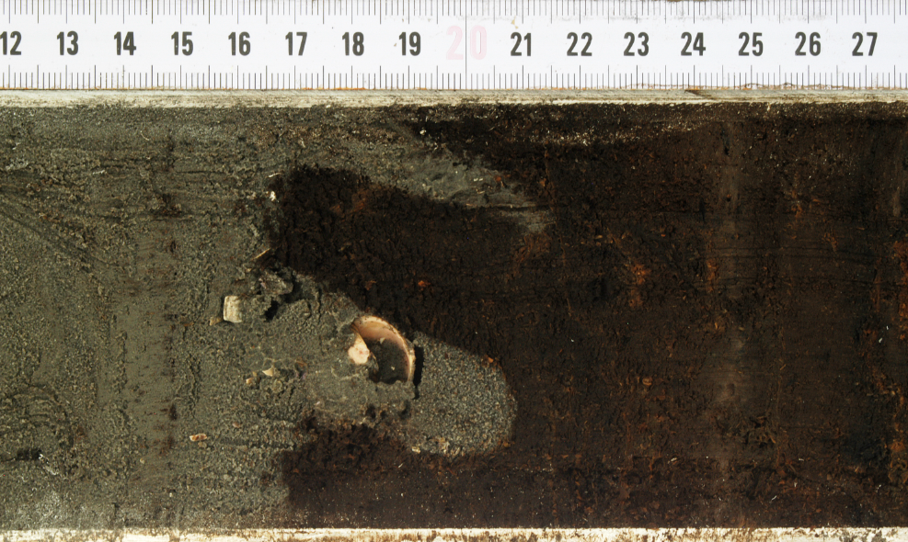 peat, not defined | ho_00_te_pe | Dark brown to blackish peat, consisting of organic material, partly with layers of mud to fine sand. Plant remains (at different degrees of decomposition) and pieces of wood indicate the former existence of a floodplain forest. Clastic material can be connected to aeolian sediment transport, or to sporadic overflows related to the presence of low energy fluvial systems. The upper transition can be either gradual (generally in presence of salt marsh or brackish-lagoonal sediments) or erosional, sometimes with evidence of boreholes. Peat rests can occasionally be found within other facies as peat clasts. | The growth of mires in the coastal lowland results from different processes reducing the drainage of the landscape during times of sea-level rise. The first is water logging due to a rising groundwater level. The second is a more local phenomenon caused by the smooth relief where discharge of the runoff from Pleistocene uplands (Geest) is reduced by the lowering of the hydraulic gradient and therefore may lead to water retention. Postsedentary, layers of marine sand or mud can be embedded in peat beds (with sharp boundaries) when trapped during storm surges. Thereby, the upper part of the peat floats, allowing marine sediments to deposit from suspension load under highly turbulent conditions in between or below an existing peat bed. | 132, 68, 10
 |  |  | bog peat (Sphagnum) | ho_00_te_bp | A typical bog peat consists mainly of the moss Sphagnum. In presence of a low degree of decomposition, parts of the plants are often entirely preserved and the peat shows a characteristic straw-yellow to reddish-light brown colour. In the case of higher decomposition, mostly only stem fragments and isolated leaflets with colours from medium to dark reddish brown are preserved. The freshly dug peat is dark reddish brown, but turns black when exposed to air. | Groundwater independent rainwater fed ombrotrophic mire. Bog peat is the characteristic peat type of nutrient-poor and acidic peatlands. The condition for its formation is the permanent presence of rainwater or nutrient-poor mineral soil water. Bog peat is formed by Sphagnum lawns or largely wood-free and Sphagnum dominated plant communities. Accompanying plants are e.g. cotton grasses (Eriophorum sp.), dwarf shrubs and sparse woody plants (pine, birch). | 89, 50, 0
 |  |  | fen peat (Phragmites) | ho_00_te_fp | Dark brown to blackish peat that mainly consists of a dense felt of rootlets, rhizomes and stalk remains of reeds. Characteristic are rhizomes, the original size and shape of which have been modified due to compression. Accompanying plants are the pond rush (Scirpus lacustris), the cutting reed (Cladium mariscus) and large sedges. In a fen-wood or carr peat the Alder wood is characteristic because of its red colour. | Groundwater and surface water fed, eutrophic mire dominated by reeds (Phragmites sp.) and sedges (Carex sp.). For fen-wood and carr peats Alder (Alnus sp.) is common. | 126, 40, 0
 |  |  |  |  |  | conditions in between or below an existing peat bed.
PLEISTOCENE | Weichselian | periglacial plain | eolian/fluvial | pl_we_pp_ef | Light yellow to pale brown, fine to medium-grained, well-sorted sand, which generally does not show primary depositionary structures. Extremely rare flint or clasts can occur. Cryoturbation structures were observed. The top of the Weichselian facies is often marked by a palaeosoil, which is highly enriched in organic content, showing the typical lithological characteristics of this facies but with a strong dark brown colour, fading out downwards. | Eolian or fluvial sands, rarely with loamy intervals. When affected by soil formation or when overlain by dark brownish coloured peat beds, the sands gradually fade away downwards. Vertical roots or root traces are common. | 255, 203, 12
 | Eemian | intertidal | tidal flat (sand/mixed flat) | pl_ee_in_tf | Greenish-grey marine fine sands, no carbonate content. Planar to cross-bedded. The stratigraphic position plus the presence of marine diatoms made it possible to assign this facies to the Eemian shallow marine environment. The characteristic alternation of sand and mud layers, the presence of sedimentary structures (e.g. layers, lensed and flasers), and the similarity with the recent sediments allowed to interpret it as intertidal deposits also in cases when marine diatoms were not found. The upper transition to the Weichselian facies is always transitional and difficult to set. | Partly graded intertidal flat and tidal channel deposits. They merge into fluvial and (semi-) terrestrial (peat) deposits towards the south. | 255, 228, 47

 | Saalian (Drenthe) | glacial | 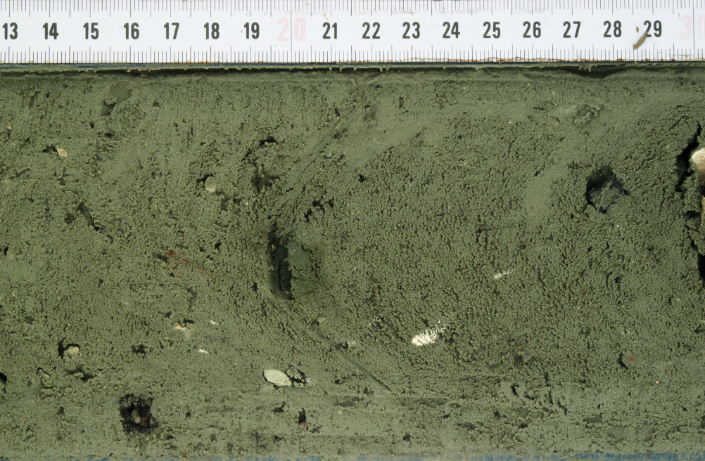 moraine | pl_sa_gl_mo | Greyish-green to light brownish-grey till deposits with well-rounded flints, chalks and igneous rocks, partly associated with periglacial outwash sands and/or gravel. The gravel and pebble fractions (with well-rounded flints, chalks, igneous and metamorphic clasts) are sustained by a matrix of semi-consolidated mud and unsorted sand. The upper transition to the Eemian deposits is always erosional, and part of the coarser fraction can form a gravel /pebble lag chaotic deposit marking the transition. It is often found in erosional contact with Weichselian or Holocene deposits (hiatus). | Typical glacial deposit, made by a chaotic mixture of mud, sand and gravel/pebbles. In the East Frisian area, it represents a semi-consolidated and highly compacted layer, which can be hard to core/penetrate. | 255, 255, 145
 |  | periglacial plain | 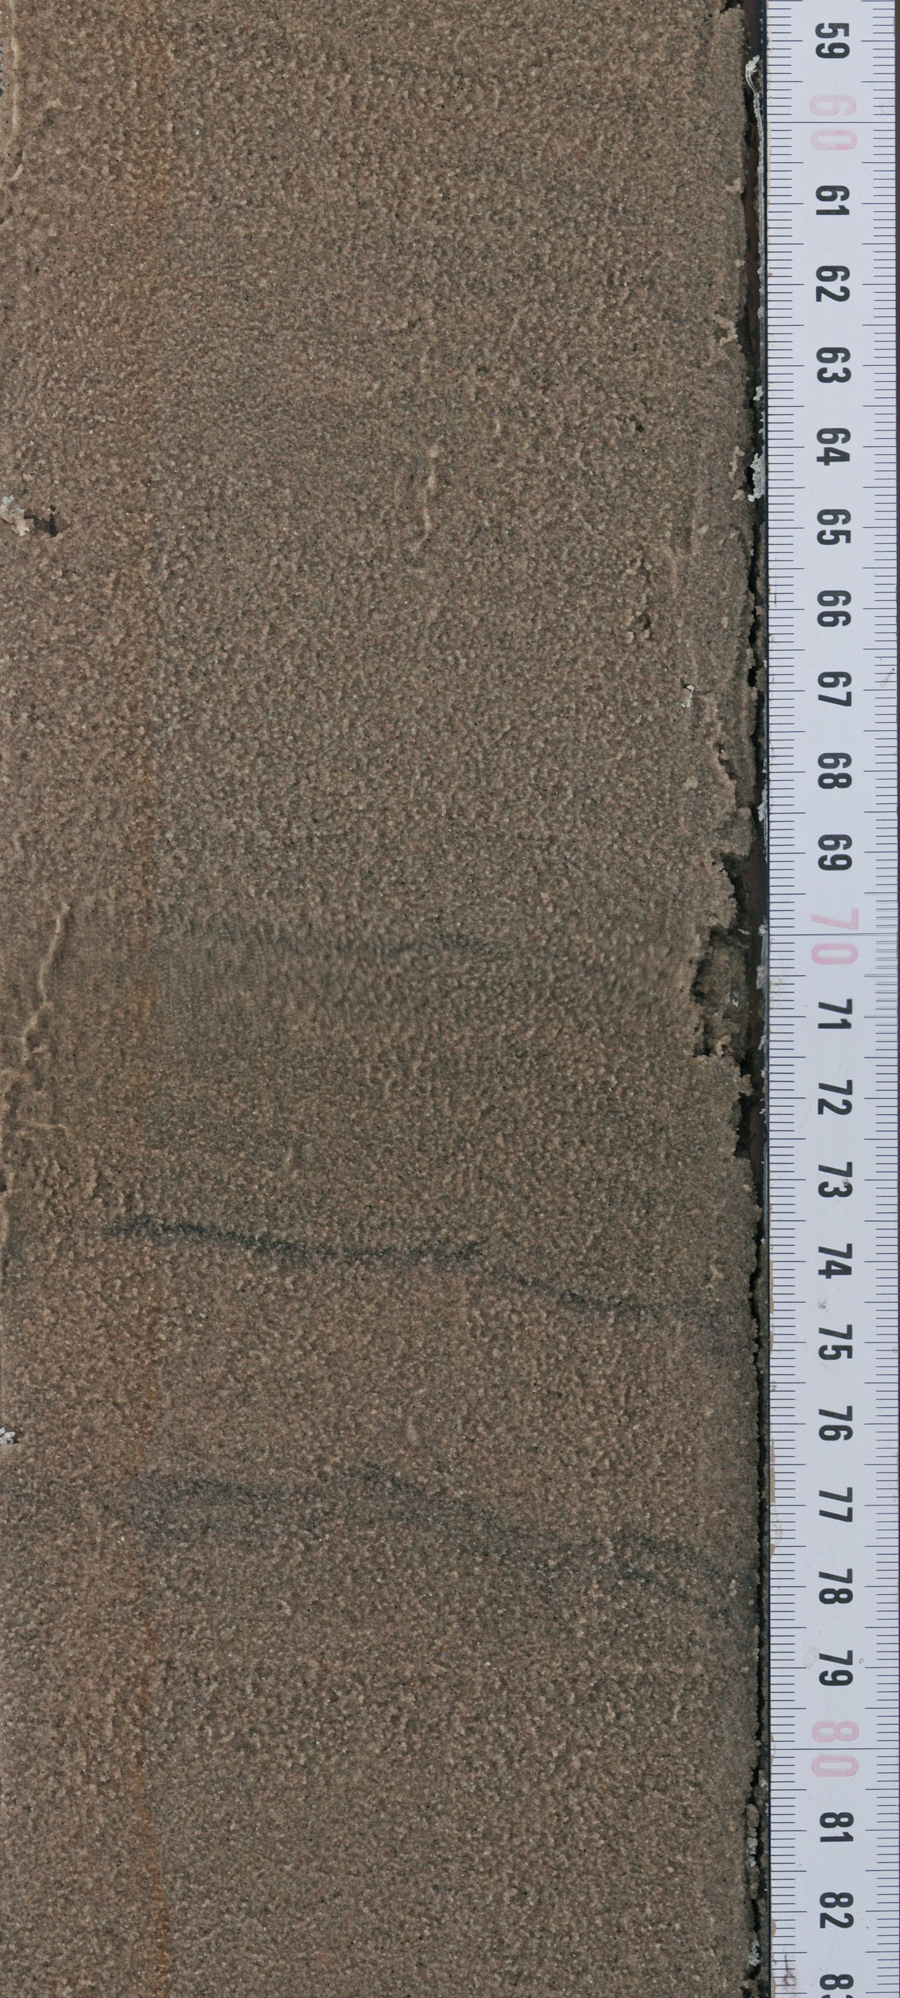 eolian/fluvial | pl_sa_pp_ef | Pale-grey to brown fine sands. Massive to weakly bedded with fining upward. | In advance of the first and main glaciation of the Saalian (Drenthe), a glacio-fluvial system developed and outwash sands have been depsoited on the sandur plain of the Main Drenthe advance.
 | pre-Drenthe | lacustrine/deltaic | 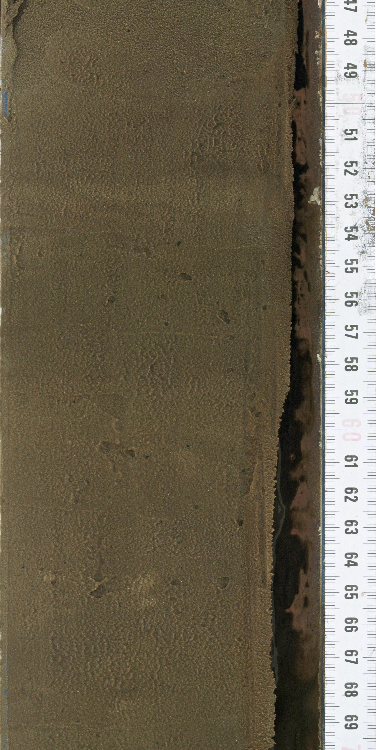 lacustrine/deltaic | pl_pd_ld_ld | Very fine to fine, greyish to brown sand, weakly bedded. Highly organic-rich fine-grained layers are present. Detrital plant fragments occur. | Coarser sediments represent either a distributary channel infill or a sandy mouthbar deposit, while fine-grained deposits may result from the deposition inside the interdistributary bay, developed as a swampy delta-plain under subaerial conditions. Lacustrine deltas developed in N Germany in Elsterian tunnel valleys throughout the Middle Pleistocene. | 255, 255, 215

 |  | terrestrial | soil - potential settlement | 00_00_te_so | Podzols (s. photo) and Brown Earth are the most common soils observed in the cores: Podzols are characterised by the grey "bleaching horizon" and the underlying mostly dark enrichment horizon. Brown Earth shows a three-part profile of humic topsoil, browning horizon and parent material. | Soil, or palaeosoil, consists of inorganic minerals and organic humus and is characterised by a crumbly soil structure. Podzols (world reference base: Pozol) are formed by the displacement of metal oxides and/or humic substances within the profile by percolate water. This process is caused by the increasing acidification of the soil. In Brown Earth (world reference base: Cambisol) the characteristic brown colour of the horizon under the topsoil is mainly due to iron compounds that are transformed and oxidised in the course of weathering (browning). | 151, 47, 255

